Application Screen
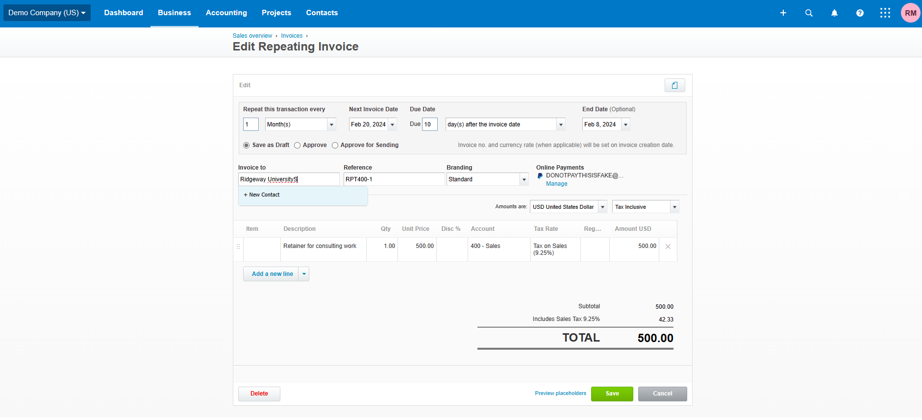

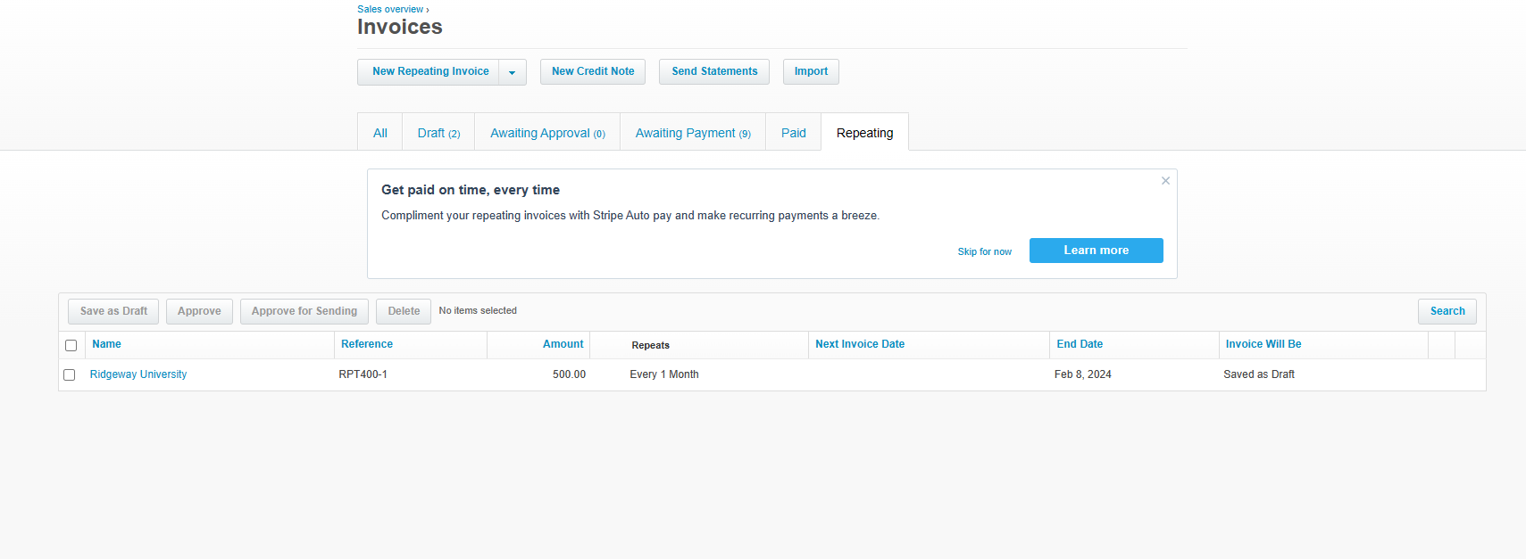

Test Case 16
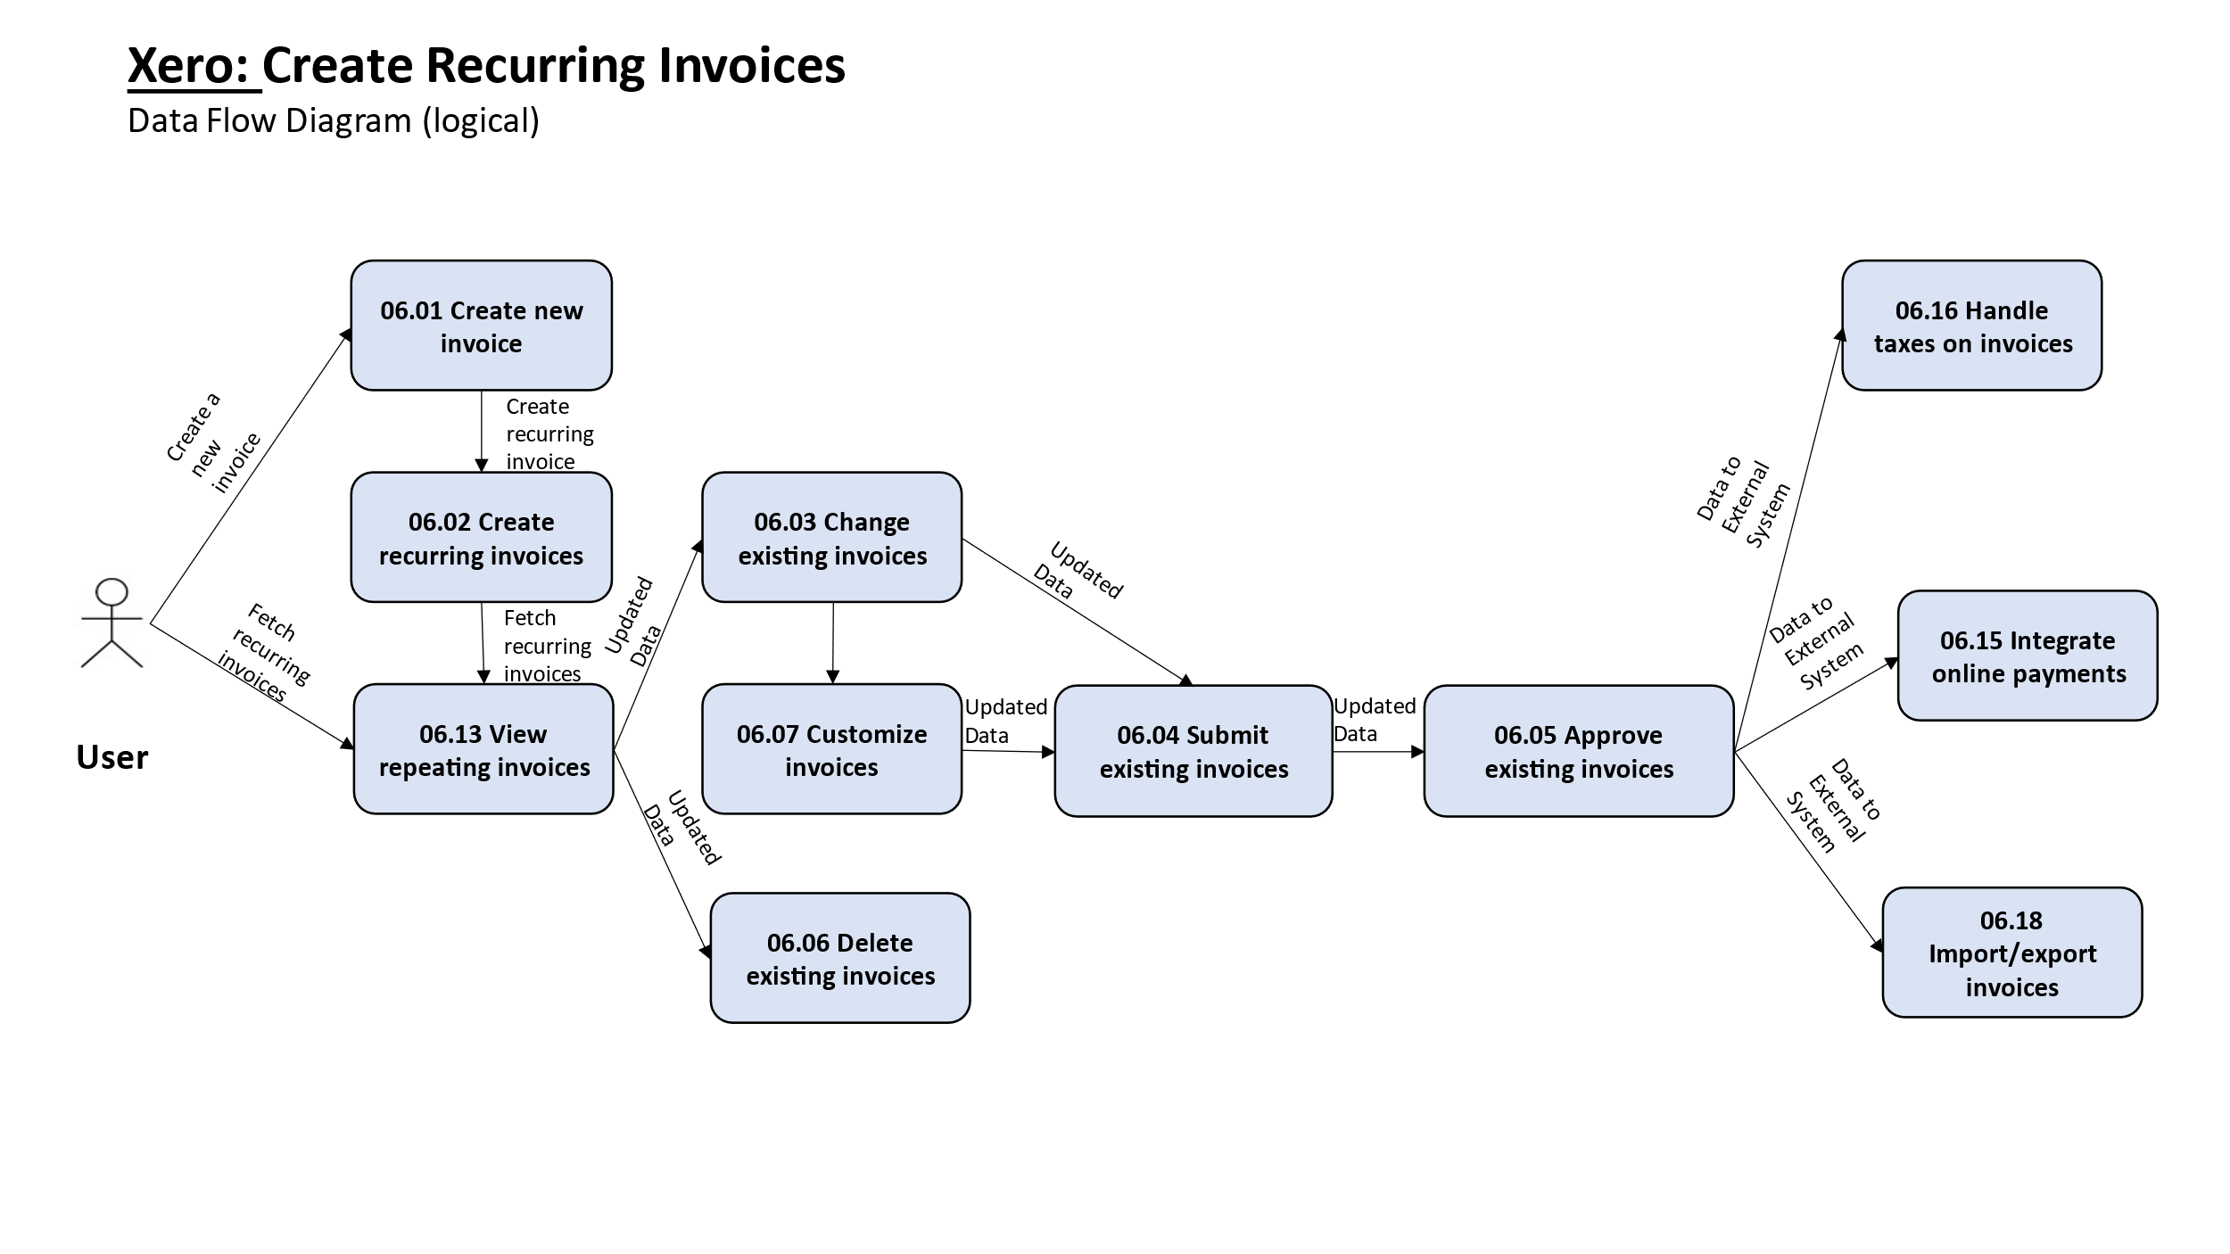
TC Title: | TC16 Create Recurring Invoices - DF-Out

TC Objective: | Verify the export of recurring invoice data to external systems or formats.

TC Description
 | Step | Step Description | Expected Results
 | 1 | Configure the export settings to specify the desired format (e.g., CSV, QuickBooks) and destination (e.g., file download, external system integration) for the recurring invoice data. | The system should allow the configuration of export options, including format selection and destination specification.
 | 2 | Initiate the export of recurring invoice data. | The system should initiate the export process according to the configured settings.
 | 3 | Verify that the recurring invoice data is exported successfully in the chosen format. | The data should be exported to the designated location (e.g., downloaded file) and be formatted according to the chosen export format (e.g., CSV with specific columns for invoice details).
 | 4 | Validate the accuracy and completeness of the exported data by examining the content of the exported file or integrating it with the external system. | The exported data should accurately reflect the details of the recurring invoices, including line items, pricing, customer information, and recurrence patterns. It should also be compatible with the intended external system or format.

